Probability and Statistics
KA

 | Random Variables |  | Random Variables are ways to map outcomes of random processes to numbers. |  |  |  |  | Random Process
 |  |  | Denoted by capital letters |  |  |  |  | Outcome -> Numbers

 |  |  | X = | 1 if heads | Here, flipping a coin is random process. And it's outcome (heads, tails) is mapped to a number, i.e. quantifying outcome of random process.
 |  |  |  | 0 if tails

 |  |  | Y = Sum of rolls of 7 dices

 |  |  | Unlike variables in algebra, random variables cannot be assigned a value or solved for values.
 |  |  | Instead, we talk about the probability of random variable equaling a value.

 |  |  | E.g. P(Y <30) means probability of Sum of rolls of 7 dice to be less than 30.
 |  |  | P(Y even) means probability that Y should be even value.

 |  | Discrete Random Variables |  | Takes distinct or separate values. |  | Imp: Countable set of values.
 |  |  |  | E.g. Coin flip outcome, either 0 or 1. Two distinct values
 |  |  |  | E.g. Year that a random student was born. The possible years are distinct values, it cannot take any value between two distinct years.
 |  |  |  | Values are countable and discrete, even if they could be infinite values. Possibly would have fixed interval between two numbers.

 |  | Continuous Random Variables |  | Can take any value in the given range/interval. That range could even be infinite.
 |  |  |  | E.g. Mass of a randomly picked animal at the zoo. The mass could vary from 1 to 5000 kg, and it could be any value within this interval for randomly picked animal.

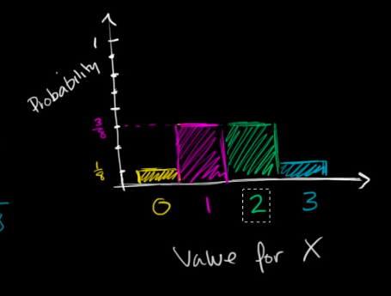
 |  | Probability Distribution of a Discrete Random Variable

 |  |  | X = Number of "heads" after 3 flips of a fair coin.

 |  |  | Possible outcomes

 |  |  | HHH | THH | P(X = 0) | 1/8
 |  |  | HHT | THT | P(X = 1) | 3/8
 |  |  | HTH | TTH | P(X = 2) | 3/8
 |  |  | HTT | TTT | P(X = 3) | 1/8

 |  |  | Sum of all Probabilities will equal to 1.

 |  |  |  |  |  |  | Discrete Probability Distribution for our random variable X

 |  | Probability Density Function for Continuous Random Variable

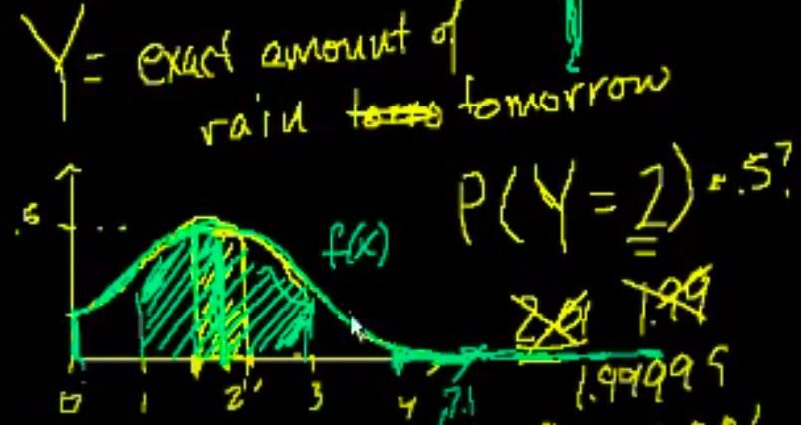

 |  |  |  |  |  |  |  |  | Integration of f(x)dx over 1.9 to 2.1

 |  |  |  |  |  |  |  |  | Integration of f(x)dx over 0 to infinity will be 1.
 |  |  |  |  |  |  |  |  | i.e. Area under the curve will be 1.

 |  |  | Area under the curve of Probability Density Function will equal to 1

